GUI CGI SPEC
Xmind
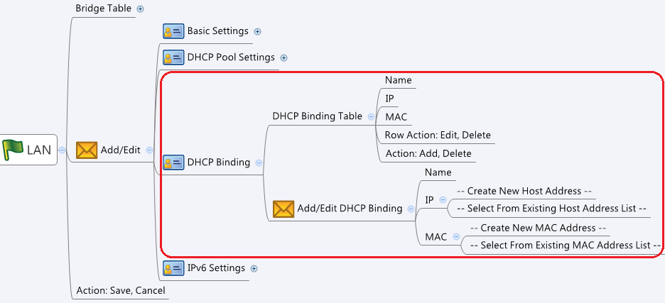

Behavior
# If interface does not have IP, gray out the DHCP Binding tab
# If the interface DHCP Type is not "DHCP Server", gray out the DHCP Binding tab
# This function should be added to lan.cgi / port.cgi / vlan.cgi
# The Name should be unique in dhcpReservT
# The MAC Address should be unique in the DHCP Binding tab
# The IP Address should belong to the subnet of the interface it served
# The IP Address should be unique in dhcpReservT
# Please check "common_updateAddr" GUI Spec to support create MAC address from ARP table
# Limitations: Max DHCP Binding Table Size (for each interface) = 254 (per note-11 of #1373)

[UI Display Name] | [CGI Name] | [JSON Name] | [Description]
# DHCP Binding Table :
Name | lan.cgi / port.cgi / vlan.cgi | dhcpReservT.name
MAC Address | lan.cgi / port.cgi / vlan.cgi | dhcpReservT.macAddrId
IP Address | lan.cgi / port.cgi / vlan.cgi | dhcpReservT.assignIpId

# Add/Edit/Delete DHCP Binding
(gid) | lan.cgi / port.cgi / vlan.cgi | dhcpReservT.gid
Name | lan.cgi / port.cgi / vlan.cgi | dhcpReservT.name | length: 63. All viewable ASCII code except (whitespace) ‘ ` “ % ?
MAC Address | lan.cgi / port.cgi / vlan.cgi | dhcpReservT.macAddrId | gid of MAC Address (userDefined=1)
IP Address | lan.cgi / port.cgi / vlan.cgi | dhcpReservT.assignIpId | gid of IPv4 address (type host, userDefined=1)
(N/A) | lan.cgi / port.cgi / vlan.cgi | dhcpReservT.ifId | gid of the interface (LAN / Port / VLAN)
(N/A) | lan.cgi / port.cgi / vlan.cgi | dhcpReservT.refIfName | If the interface is new created, use refIfName to identify which interface DHCP Binding should apply to
(N/A) | lan.cgi / port.cgi / vlan.cgi | dhcpReservT.cgiAction | int: 0:none, 1:add, 2:update, 3:delete

JSON String
### GET lan.cgi / port.cgi / vlan.cgi for dhcpReservT ###
{
...
"dhcpReservT":
[
{"gid":269680640,"name":"MyNB_DefaultLAN","macAddrId":131072,"assignIpId":65548,"ifId":786432,"cgiAction":0},
{"gid":269680641,"name":"MyPC_DefaultLAN","macAddrId":131073,"assignIpId":65549,"ifId":786432,"cgiAction":0} ]
}
### POST lan.cgi / port.cgi / vlan.cgi for dhcpReservT ###
{
...
"dhcpReservT":
[
{"gid":0,"name":"MyPC_newAddedVLAN1","macAddrId":131073,"assignIpId":65550,"ifId":0, refIfName:"VLAN1", "cgiAction":1},
{"gid":0,"name":"MyPC_newAddedVLAN2","macAddrId":131073,"assignIpId":65551,"ifId":0, refIfName:"VLAN2", "cgiAction":1} ]
}

